Dashboard
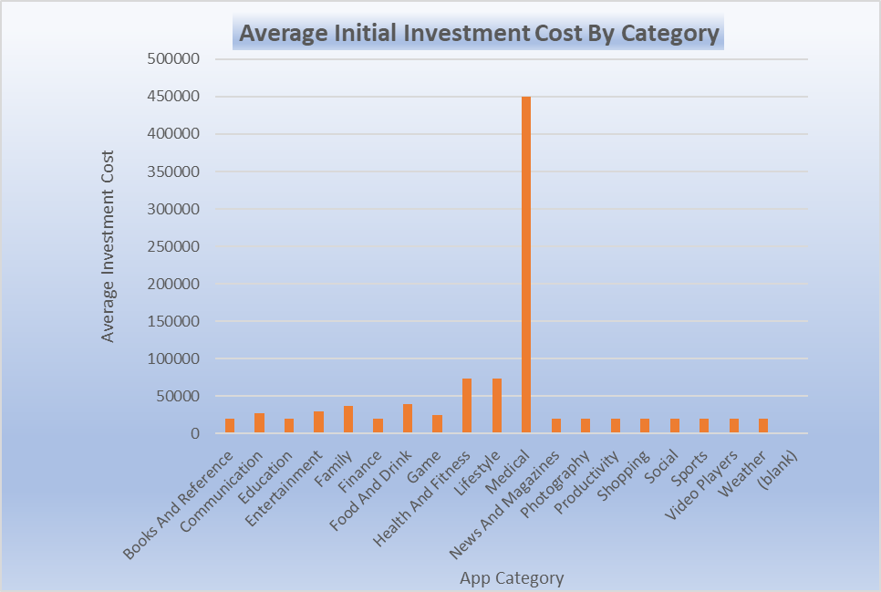
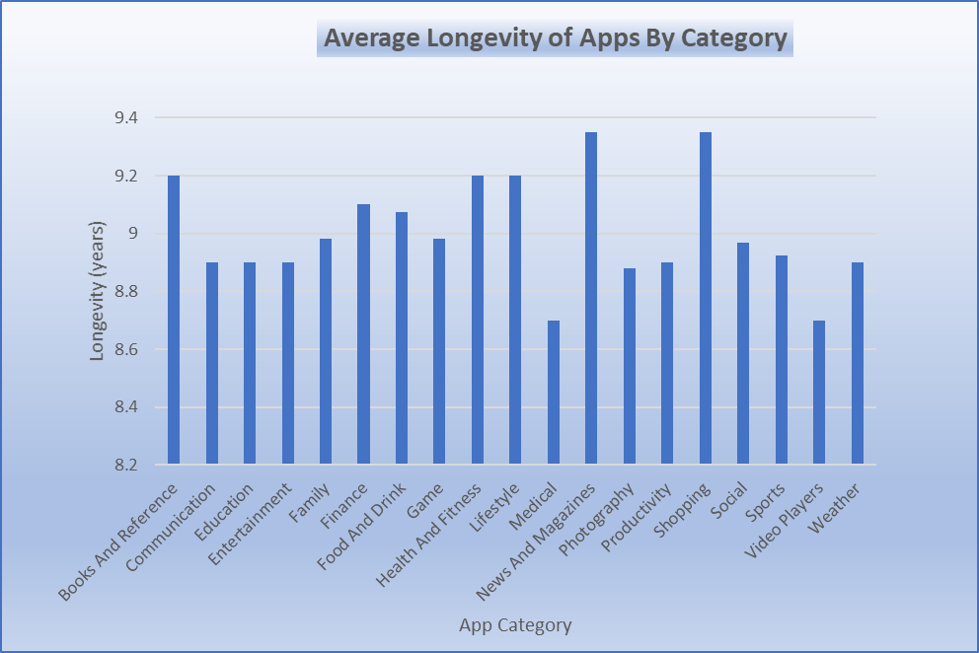
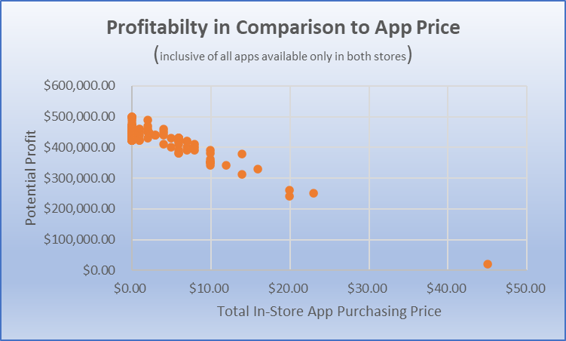



User Engagement (total reviews) by Top 10 Game Sub-Genres
 | total_reviews
Role Playing Games | 9835155
Puzzle Games | 9962579
Sports Games | 10308841
Adventure Games | 11445045
Simulation Games | 12798545
Racing Games | 34835983
Action Games | 52603666
Strategy Games | 79219668
Arcade Games | 87989863
Casual Games | 100072472

HOT NOW - GAMES! | WHAT'S NEXT? | Top 10 Immediate App Investment Recommendations
 | EXERCISE APPS! | App Name | Potential Profit | Number of Play Store installations | Total Number of User Reviews | Average User Rating | App Genre
 |  | Army of Heroes | $460,000.00 | 1,000,000 | 86,250 | 4.5 | Games
 |  | DoorDash - Food Delivery | $460,000.00 | 1,000,000 | 130,451 | 4.5 | Food
 |  | Gear.Club - True Racing | $460,000.00 | 1,000,000 | 143,451 | 4.5 | Games
 |  | OK K.O.! Lakewood Plaza Turbo | $460,000.00 | 1,000,000 | 77,038 | 4.5 | Games
 |  | Seven - 7 Minute Workout Training Challenge | $460,000.00 | 1,000,000 | 82,379 | 4.5 | Health & Fitness
 |  | Endless Ducker | $440,800.00 | 500,000 | 8,832 | 4.3 | Games
 |  | Five Nights at Freddy's 2 | $429,800.00 | 500,000 | 92,026 | 4.6 | Games
 |  | Hitman GO | $429,700.00 | 500,000 | 92,787 | 4.6 | Games
 |  | Get 'Em | $421,600.00 | 500,000 | 7,944 | 4.1 | Games
 |  | Five Nights at Freddy's 3 | $429,800.00 | 100,000 | 37,732 | 4.6 | Games

Sheet3
User Engagement (total reviews) by Top 10 Game Sub-Genres
Genre | total_reviews | avg_potential_profit
Casual Games | 100072472 | $20,000.00 | 1051105.88 | Genre | total_reviews
Arcade Games | 87989863 | $21,466.67 | 1043333.33 | Role Playing Games | 9835155
Strategy Games | 79219668 | $43,581.82 | 1012854.55 | Puzzle Games | 9962579
Action Games | 52603666 | $32,623.33 | 1018576.67 | Sports Games | 10308841
Racing Games | 34835983 | $24,141.67 | 1034258.33 | Adventure Games | 11445045
Simulation Games | 12798545 | $39,955.56 | 1044844.44 | Simulation Games | 12798545
Adventure Games | 11445045 | $54,200.00 | 902371.43 | Racing Games | 34835983
Sports Games | 10308841 | $22,200.00 | 1029000 | Action Games | 52603666
Puzzle Games | 9962579 | $31,063.64 | 1031263.64 | Strategy Games | 79219668
Role Playing Games | 9835155 | $69,000.00 | 995290.91 | Arcade Games | 87989863
Trivia Games | 6821242 | $20,000.00 | 1060000 | Casual Games | 100072472
Adventure;Action & Adventure Games | 4637302 | $59,900.00 | 976900
Card Games | 2442236 | $20,000.00 | 995200
Puzzle;Action & Adventure Games | 1650667 | $20,000.00 | 1038400
Music Games | 1346250 | $24,950.00 | 1033450
Board Games | 1168801 | $39,900.00
Racing;Action & Adventure Games | 1042617 | $20,000.00
Puzzle;Brain Games Games | 965675 | $29,900.00
Arcade;Action & Adventure Games | 725315 | $20,000.00 |  | play_name | investment_cost | avg_rating | potential_profit | play_installations | total_reviews | play_genre | app_genre | play_content
Card;Brain Games Games | 679740 | $20,000.00 |  | Five Nights at Freddy's 3 | 59800 | 4.6 | 429800 | 100000 | 37732 | Action | Games | Teen
Educational;Action & Adventure Games | 678241 | $20,000.00 |  | Endless Ducker | 20000 | 4.3 | 440800 | 500000 | 8832 | Arcade | Games | Everyone
Simulation;Action & Adventure Games | 534519 | $20,000.00 |  | Five Nights at Freddy's 2 | 59800 | 4.6 | 429800 | 500000 | 92026 | Strategy | Games | Teen
Casual;Action & Adventure Games | 425128 | $20,000.00 |  | Hitman GO | 59900 | 4.6 | 429700 | 500000 | 92787 | Puzzle | Games | Everyone 10+
Casual;Pretend Play Games | 390214 | $59,900.00 |  | Get 'Em | 20000 | 4.1 | 421600 | 500000 | 7944 | Action | Games | Everyone 10+
Entertainment;Brain Games Entertainment | 126015 | $20,000.00 |  | Army of Heroes | 20000 | 4.5 | 460000 | 1000000 | 86250 | Strategy | Games | Everyone 10+
Sports;Action & Adventure Games | 78092 | $99,800.00 |  | DoorDash - Food Delivery | 20000 | 4.5 | 460000 | 1000000 | 130451 | Food & Drink | Food & Drink | Everyone
Action;Action & Adventure Games | 77038 | $20,000.00 |  | Gear.Club - True Racing | 20000 | 4.5 | 460000 | 1000000 | 143451 | Racing | Games | Everyone
Board;Action & Adventure Games | 73776 | $20,000.00 |  | OK K.O.! Lakewood Plaza Turbo | 20000 | 4.5 | 460000 | 1000000 | 77038 | Action;Action & Adventure | Games | Everyone 10+
Simulation;Education Games | 35449 | $79,800.00 |  | Seven - 7 Minute Workout Training Challenge | 20000 | 4.5 | 460000 | 1000000 | 82379 | Health & Fitness | Health & Fitness | Everyone
Board;Brain Games Games | 2734 | $59,800.00

